Submission
Submission

Comments for an In-year Submission
Submission Comments

1. Do you want to submit a nil return? | 3

2. Date of Return (DD/MM/YYYY) | 31/03/2021

3. Accounting year-end | March

4. Number of housing units owned by RSL | 350

5. Number of housing units used for Security | 300

6. Unencumbered housing units | 50

7. What Percentage of unencumbered housing units in Question (7) has a Positive value? | 99.99

8. Does a Lender have a floating charge over the company assets? | 3

 | Submission Grids

 | Intra Group Finance
 | Reference | Intra Group Finance Type | 4. Amount Provided (£'000s) | 4. Amount Received (£'000s) | 8. Start Date (DD/MM/YYYY) | 9. End Date (DD/MM/YYYY) | Status
 | 1 | #REF! | 10,000.0 | - | 2010-01-01 | 2050-12-31 | FALSE | Edit Delete
 | 1 | #REF! | - | 5,000.0 | 2005-04-01 | 2035-03-31 | FALSE | Edit Delete

 | Add Intra Group Finance

 | ISDA
 | Reference | 2. Name of Lender |  |  | 3. Amount (£'000s)
 | 1 | Clydesdale Bank plc |  |  | 10,000.0 |  |  | Edit Delete

 | Add ISDA

 | Facility
 | Reference | Name of Lead Lender |  | Total Facility (£’000s) | Facility Outstanding (£’000s) | Facility Undrawn (£’000s) | Status
 | DMOBOS002 | BOS |  | 20,000.0 | 10,000.0 | 0.0 | FALSE | Edit Delete
 | Total |  |  | 20,000.0 | 10,000.0 | 0.0

 | Add Facility

Submission IYR
Submission

Comments for an In-year Submission
Submission Comments

1. Date of Return (DD/MM/YYYY) | 2022-03-31

2. Reason for return | Change in Loan details

3. Accounting year-end | March

4. Number of housing units owned by RSL | 350

5. Number of housing units used for Security | 300

6. Unencumbered housing units | 50

7. What Percentage of unencumbered housing units in Question (7) has a Positive value? | 99.99

8. Does a Lender have a floating charge over the company assets? | 3

 | Submission Grids

 | Facility
 | Create Facility

 | 2. Facility Reference Number | 1. Name of Lender |  | 7. Total Facility (£’000s) | 8. Balance of Facility Outstanding (£’000s) | 9(i). Facility Undrawn (£’000s) | Link | Status
 | DMOBOS002 | BOS |  | 20,000.0 | 10,000.0 | 0.0 | View | Open
 | Total |  |  | 20,000.0 | 10,000.0 | 0.0

 | Covenant For Loan
 | Create Covenant for Loan

 | 2. Type of covenant applied | 3. How is this Covenant calculated? |  | 4. Required levels | 7. Actual levels achieved at that date | 6. Date of last report to Lender | Link | Status
 | Debt Service Test (DST) | This is how the Covenant is calculated… |  | 105% | 115% | 2010-04-01 | View | Open

 | Intra Group Finance - Lend
 | Create IGF Lend

 | 1. Sequence Number |  | 4. Amount Provided (£'000s) |  | 8. Start Date | 9. End Date | Link | Status
 | 1 |  | 10,000.0 |  | 2010-01-01 | 2050-12-31 | View | Open

 | Intra Group Finance - Borrow
 | Create IGF Borrow

 | 1. Sequence Number |  | 4. Amount Received (£'000s) |  | 8. Start Date | 9. End Date | Link | Status
 | 1 |  | 5,000.0 |  | 2005-04-01 | 2035-03-31 | View | Open

 | ISDA
 | Create ISDA

 | 1. Sequence Number | 2. Name of Lender |  |  | 3. Amount (£'000s) |  | Link | Status
 | 1 | Clydesdale Bank plc |  |  | 10,000.0 |  | View | Open

Intra Group Finance Lend
Intra Group Finance Lend

Intra Group Finance Type | #REF!

Comments for Intra Group Finance Lend
Intra Group Finance Comments

1. Reference Number | 1

2. Name of the organisation that the funding is provided to | Acme Group Ltd

3. Relationship to RSL | Subsidiary

4. Amount Provided (£'000s) | 10,000.0

5. Balance outstanding as at date of return (£'000s) | 5,000.0

6. Purpose of loan | 2

Purpose of Loan details | The details are as follows…

7. Duration of funding arrangement (months) | 12

8. Start Date (DD/MM/YYYY) | 2010-01-01

9. End Date (DD/MM/YYYY) | 2050-12-31

10. First repayment date (DD/MM/YYYY) | 2035-04-01

11. Security taken? | 2035-04-01

12. Type of Security | Standard security over stock (give details)

Type of Security details | The security details are…

13. Value of Security (£'000s) | 2,500.0

14. Loan Agreement in Place? | 3

15. Loan Type | FIXED

16. Repayment Period (months) | 36

17. Repayment terms | Converted to Loan

18. Reference Interest Rate | 0

19. Margin Over Reference Interest Rate (%) | 20

19. All in fixed rate (%) | 3.5

19b. Confirmation required? | TRUE

20. Is the funding provided part of funds borrowed by you? | 3

21. If you answered YES to question (20) please enter the Loan Reference Number | BCHFIXED11052

22. Is your Lender aware of this on Lending arrangement? | Yes

23. Has this Loan been repaid? | FALSE

Intra Group Finance Borrow
Intra Group Finance Borrow

Intra Group Finance Type | #REF!

Comments for Intra Group Finance Borrow
Intra Group Finance Comments

1. Reference Number | 1

2. Name of the organisation that the funding is provided to | Peak Group Ltd

3. Relationship to RSL | Parent

4. Amount Received (£'000s) | 5,000.0

5. Balance outstanding as at date of return (£'000s) | 2,500.0

6. Purpose of loan | 4

Purpose of Loan details | The details are as follows…

7. Duration of funding arrangement (months) | 24

8. Start Date (DD/MM/YYYY) | 2005-04-01

9. End Date (DD/MM/YYYY) | 2035-03-31

10. First repayment date (DD/MM/YYYY) | 2020-04-01

11. Security taken? | 1900-01-03

12. Type of Security | Standard security over stock (give details)

Type of Security details | The security details are…

13. Value of Security (£'000s) | 1,250.0

14. Loan Agreement in Place? | 3

15. Loan Type | FIXED

16. Repayment Period (months) | 24

17. Repayment terms | Converted to Loan

18. Reference Interest Rate | 3

19. Margin Over Reference Interest Rate (%) | 20.0001

19. All in fixed rate (%) | 3.5

19b. Confirmation required? | TRUE

20. Has this Loan been repaid? | FALSE

ISDA
ISDA

Comments for ISDA
ISDA Comments

1. Reference Number | 1

2. Name of Lender | Clydesdale Bank plc

3. Amount (£'000s) | 10,000.0

4. Start Date (DD/MM/YYYY) | 2010-04-01

5. End Date (DD/MM/YYYY) | 47,573.0

6. Reference Interest Rate | 4.0

7. Margin Over Reference Interest Rate (%) | 20

7. All in fixed rate (%) | 3.4999

7b. Confirmation required? | FALSE

8. Mark to Market Threshold before collateral calls (£'000s) | (5,000.0)

9. Mark to Market Value (£'000s) | (3,500.0)

10. Date of Mark to Market Valuation (DD/MM/YYYY) | 2010-03-31

11. Implied loss or gain on Mark to Market Valuation (£'000s) | (1,500.0)

12. Type of collateral calls | 1900-01-03

13. If answer to question 12 is 'Secured Assets', under which method are they marked? | EUV

14. Frequency of Call | Weekly

 | ISDA Grid

 | Reference | 2. Type of covenant applied | 5. Frequency of reporting to lender
 | 1 | Interest Cover | Annually | Edit | Delete

 | Create

ISDA Covenant
ISDA Covenant

ISDA Sequence Number | 0

1. Sequence Number | 1

2. Type of covenant applied | Interest Cover

How the Covenant calculated …
3. How is this Covenant calculated?

4. Required levels | 100%

5. Frequency of reporting to lender | Annually

6. Date of last report to lender | 2009-12-01

7. Actual levels achieved at that date | 110%

Facility
Facility

Comments for Facility
Facility Comments

1. Name of Lender (if more than one, please choose name of lead lender | BOS

1.1. Is there a syndicate involved with this Facility? | 3

1.2 If answer to 1.1 above is Yes, please enter all lenders within this syndicate. | AXA

2. Facility Reference Number | DMOBOS002

3. Is the charge holder different from the lead Lender / Lender | Yes

3a. If the charge holder is different from the lead lender/lender in Q3 above please list all charge holders | BAE Pension Fund

4. Is there a Security Trustee arrangement in place? | Yes

5. Start Date (DD/MM/YYYY) | 2000-04-01

6. End Date (DD/MM/YYYY) | 2045-03-31

7. Total Facility (£’000s) | 20,000.0

8. Balance of Facility Outstanding (£’000s) | 10,000.0

9(i). Facility Undrawn (£’000s) | 0

9(ii). Is the undrawn Facility likely to be drawn down in the next five years? | 2.0

9(iii). What is the undrawn Facility for? | 1900-01-04

Undrawn Facility for Details | The undrawn Facility details are…

9(iv). Are these funds committed? | Yes

10. Please tell us what fees you have incurred / may incur in arranging this Facility.

(i) Arrangement fees (paid directly to the lender) | TRUE

(ii). Non-utilisation fees | TRUE

(iii). Other fees - please provide details | TRUE

Other fees Details | Other fees details are…

11. Is this Facility Closed? | FALSE

 | Facility Grid

 | Reference | 5. Total Loan Amount (£'000s) | 6. Balance Outstanding as at date of return (£'000s) | Status
 | BOSVAR002 | 10000 | 9000 | FALSE | Edit Delete

Loan
Loan

Comments for Loan
Comments for Loan

Facility Reference Number | #REF!

1. Loan Type | VAR

2. Loan Reference Number | BOSVAR002

3. What is the purpose of the Loan? | 1900-01-03

Loan Purpose Details | The Loan Purpose Details are …

4. Start Date (DD/MM/YYYY) | 2000-04-01

5. Total Loan Amount (£'000s) | 10,000.0

6. Balance Outstanding as at date of return (£'000s) | 9,000.0

7. Repayment Terms | 1900-01-11

8. Reference Interest Rate | 4.0

9. Margin Over Reference Interest Rate (%) | 0

9. All in fixed rate (%) | 3.4999

9b. Confirmation required? | TRUE

10. First Capital Repayment Date (DD/MM/YYYY). | 2021-04-04

11. Final Capital Repayment Date (DD/MM/YYYY) | 2021-04-04

12. First interest payment date (DD/MM/YYYY) | 1999-03-31

13 (i). Are the terms of the loan above relevant until Final capital Repayment Date in question (11)? | 2
If NO, then please enter 13(ii) and 13(iii) below.
ii) What is the expiry date of the current deal? (DD/MM/YYYY) | 2030-04-01

(iii) Have any forward fixes been negotiated with the lender? | Yes

14. How is interest being treated? | Paid

15. Please tell us what fees you have incurred / may incur in arranging this Loan. Please select all that apply.

(i) Arrangement fees (paid directly to the lender) | TRUE

(ii). Non-utilsation fees | TRUE

(iii) Other Fees - please provide details | TRUE

Other Fees Details | Other fees details are…

16(i). Percentage of Security provided by Social Housing assets | 99.99

16(ii). Value of Security (£'000s) | 100.0

16(iii). Basis of valuation | MV-ST

16(iv). Date of valuation (DD/MM/YYYY) | 2010-04-01

17. Has this Loan been repaid? | FALSE

 | Loan Grids

 | Reference | 2. Type of covenant applied | 5. Frequency of reporting to lender
 | 1 | Debt Service Test (DST) | Monthly |  | Edit | Delete

 | Add Covenant

 | Reference | Derivative Type | Date From (DD/MM/YYYY) | Date To (DD/MM/YYYY)
 | 1 | Embedded interest rate swap | 2005-04-01 | 2015-03-31 | Edit | Delete

 | Add Interewst Rate Derivative

Loan Covenant
Loan Covenant

Facility Refereence nbumber | #REF!

Loan Reference Number | #REF!

1. Sequence Number | 1

2. Type of covenant applied | Debt Service Test (DST)

This is how the Covenant is calculated…
3. How is this Covenant calculated?

4. Required levels | 105%

5. Frequency of reporting to lender | Monthly

6. Date of last report to lender | 2010-04-01

7. Actual levels achieved at that date | 115%

Quick links
Quick links - Edit |  | Quick links - Search | Quick links - View

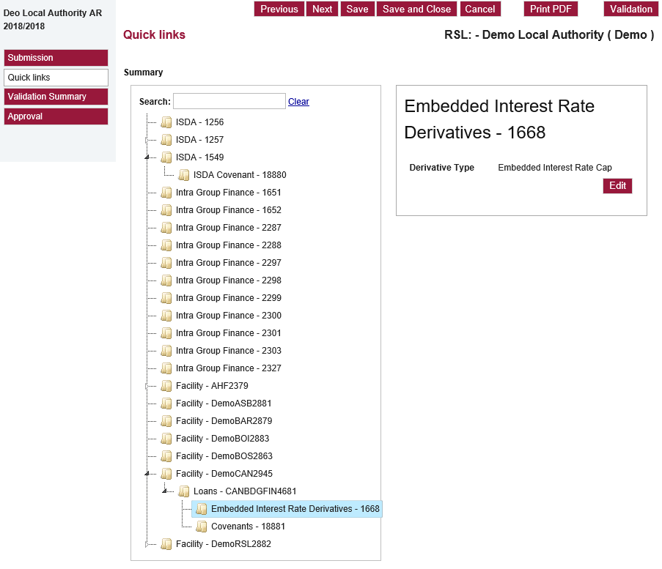
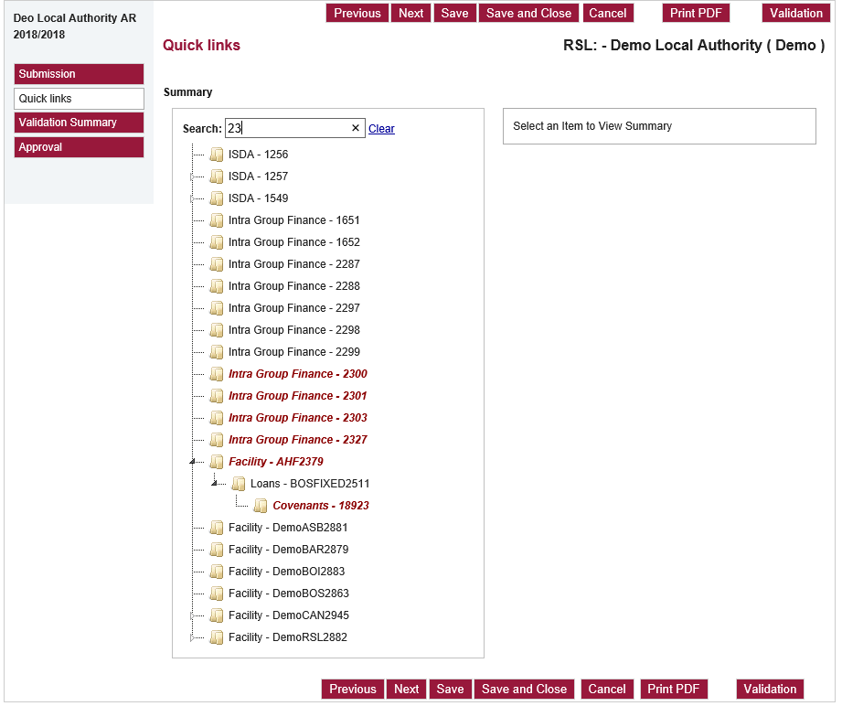
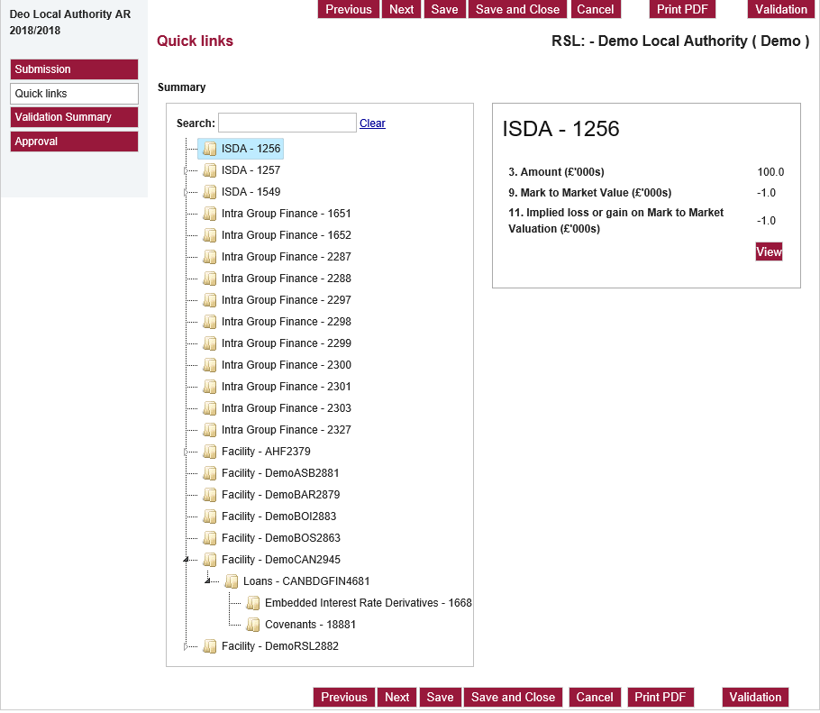

1. The Quick links page is accessed from the left side menu, positioned between Submission and Validtion Summary
2. When Quick links is selected a Tree structure is displayed, listing all the records for the return: ISDA, Intra Group Finance, Facility
3. If there is a lower level record, an expansion symbol is displayed pointing horizontally: when this is clicked the synbol points downward and the lower level record is displayed: a. Loan below Facility b. Covenant below Loan c. Embedded IRD below Loan d. Covenant below ISDA This can be repeated until all levels have been exposed. Records are sorted in the same order as the grids for Submission, ISDA, Facility, Loan
4. When a lower level record has been displayed, clicking its expansion synbol hides the record, and the expansion symbol is points horizontally again. Any opened hierarchy is kept and can be viewed if the symbol is clicked again
5. Search option: To search for records characters are entered into the Search box and records are selected accordingly, even ones not already exposed. Any record which contains the entered string is displayed in italics. When Clear is clicked the text in the box is cleared and the italics removed.
6. When an unapproved record is selected its summary details are displayed (see below) with an Edit button, in a box to the right of the Tree structure: when the Edit button is clicked the full record screen is displayed and the record can be updated.
7. When an approved record is selected its summary details are displayed (see below) with an View button, in a box to the right of the Tree structure: when the View button is clicked the full record screen is displayed and the record can be viewed.

Summary details

ISDA | Sequence number
 | 3. Amount
 | 9. Mark to Market Value
 | 11. Implied loss or gain on Mark to Mrket Valuation

ISDA Covenant | Sequence number
 | 2. Type of covenant applied
 | 4. Required levels
 | 6. Date of last report to lender
 | 7. Actual levels achieved at that date

Intra Group Finance Lend / Borrow | Sequence number
 | Intra Group Finance Type
 | Status
 | 2. Name of organisation that the funding is provided to / 2. Name of organisation that the funding is provided from
 | 4. Amount Provided / Amount Received
 | 5. Balance outstanding. As at date of return

Facility | Reference number
 | Total Facility
 | Facility Outstanding
 | Facility Undrawn

Loan | Reference number
 | 5. Total Loan Amount
 | 6. Balance outstanding as at date of return

Loan Covenant | Sequence number
 | 2. Type of covenant applied
 | 4. Required levels
 | 6. Date of last report to lender
 | 7. Actual levels achieved at that date

Embedded IRD | Sequence number
 | Derivative type

